CCS study roadmap
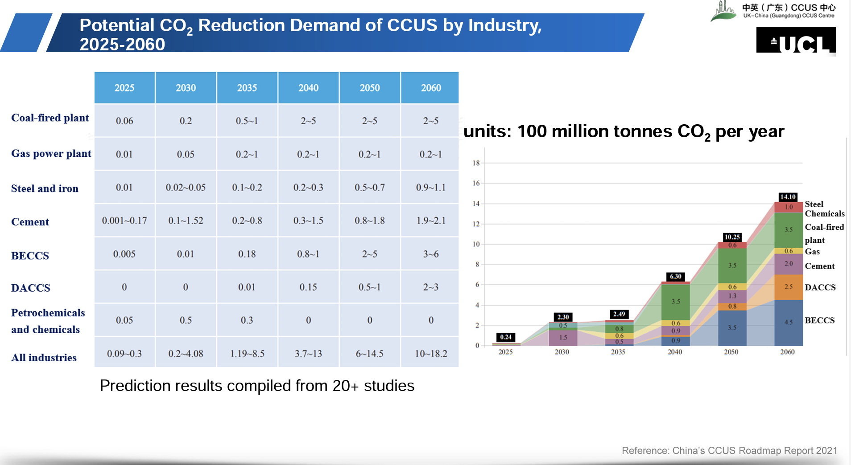
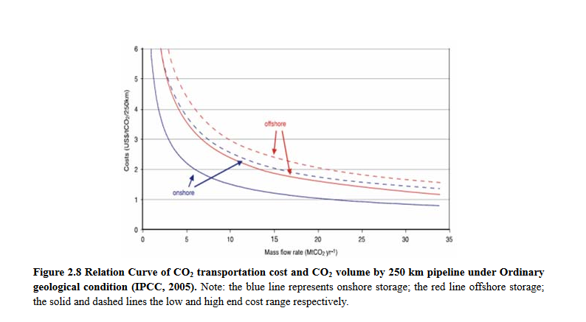
Year | Activity | Storage
2020 | Demonstration Plant | 1 | Mt CO2/yr
2025 | start project construction for offshore saline formation CO2 storage
2030 | start offshore storage | 1 | Mt CO2/yr
 | ramp up storage | 1 | additional Mt CO2 each year

We assume that once offshore storage is available and accessible with a pipeline,
storage can be ramped up by 1 additional Mt CO2 each year.

